1. Title Page
[Project Name]

Project Name: Instacart Grocery Basket Analysis
Date: May 2023
Analyst Name: Magda Merino

Contents:
Population Flow
Consistency checks
Wrangling steps
Column derivations
Visualizations
Recommendations

2. Population Flow
Title page

Population flow

Exclusion flag
Condition: max_order < 99
Obervations to be removed: none
Final total count of order_products_all: 32404859

Orders_products_combined
Orders_products_merged
Orders_products_all

Total: 32404859
Total: 32434489
Total: 32404859

1.) The grey boxes in the first row of the population flow represent the original data sets as they were when you downloaded them. In the Total fields you need to add the count of the rows when you imported the data set into Jupyter.
2.) The second row of boxes (coloured) represents the data sets after you manipulated them, e.g., removed missing values and duplicates. In the Total fields you need to add the count of the rows after conducting these operations. This offers a visual oveview of how the data flows throughout the data consistency checks.
3.) The third row, where also the arrows are coloured, represents the merges you performed between the datasets. In the Total fields you need to add the count of the rows in the merged datasets, so that you end up with the final dataset (in the red box). Keep in mind the final dataset should be without exclusions (based on the exclusion flag).

3. Consistency checks
 |  |  |  | Title page
Consistency checks

Dataset | Missing values | Missing values treatment | Duplicates
orders | 260210 | It could not drop because around the 5% of the data was missing | none
products | 16 | none | none
orders_products_prior | none | none | none
customers | 0 | none | none

4. Wrangling steps
 |  |  |  | Title page
Wrangling steps

Columns dropped | Columns renamed | Columns' type changed | Comment/Reason
Unnamed:1 |  |  | didn't contain pertainent information
 | order_dow to orders_day_of_week |  | Better comprension
 | First Name to first_name |  | consistency in naming practices
 | Surnam to last_name |  | consistency in naming practices
 | Gender to gender |  | technically more correct
 | STATE to state |  | consistency in naming practices
 | Age to age |  | consistency in naming practices
aisle_id |  |  | Not needed

5. Column derivations
 |  |  |  | Title page

Column derivations and aggregations

In this tab you should add tables below that the frequences of flags/label variables that you produced after deriving them. NB: don't do this for continuous variables, only for flags.
Dataset | New column | Column/s it was derived from | Conditions
orders_products_merged | price_range | prices | prices <= 5 -- Low-range product prices > 5 & prices <=15 == Mid-range product prices . 15 -- High-range product
orders_products_merged | price_range_loc | prices | prices <= 5 -- Low-range product prices > 5 & prices <=15 == Mid-range product prices > 15 -- High-range product
orders_products_merged | busiest_day | orders_day_of_week | Saturday (0) -- Busiest day Wedneday (4) -- Least busy All other values -- Regularly busy
orders_products_merged | busiest_days | orders_day_of_week | Saturday (0) and Sunday (1) -- Busiest day Wedneday (4) and Wuesday (3) -- Least busy All other values -- Regularly busy
orders_products_merged | buesiest_period_of_day | order_hour_of_day | The average order time +/- 1 standard deviation -- Average orders Any time with more than average orders -- Fewest orders Any time with fewer than average orders
orders_products_merged | loyalty_flag | max_order | max_order > 40 -- Loyal customer max_order <=40 & max_order > 10 -- Regular customer max_order <= 10 -- New customer
orders_products_merged | spending_flag | mean_price | mean_price < 10 -- Low spender mean_price >= 10 -- High spender
orders_products_merged | freq_flag | med_order_freq | med_order_freq > 20 -- Non-frequent customer med_order_freq <=20 & med_order_freq > 10 -- Regular customer med_order_freq <= 10 Freqeunt customer
orders_products_all | activity_flag | max_order | max_order < 5 -- low activity max order >= 5 -- good activity
orders_products_all | profile | number_of_dependents, age, income, and department_id | number_of_dependents >=1 & department_id = 18 -- New Parent number of dependets = 0 and age < 65 -- Single Adult number of dependets = 0 and age >= 65 -- Retired Adult number_of_dependents >= 1, income < 50000 and deparment_id != 18 -- Single parent number_of_dependents >= 1, income >= 50000 and deparment_id != 18 -- Partnered parent

6. Visualizations
 |  |  | Title page

Visualisations


Busiest Day of the Week

 | COMMENT:
 | The most orders are placed on Saturday , and the fewest orders are placed on Tuesday and Wednesday.

Frequency

Days of the week (0 = Saturday)

Busiest hours of the Day
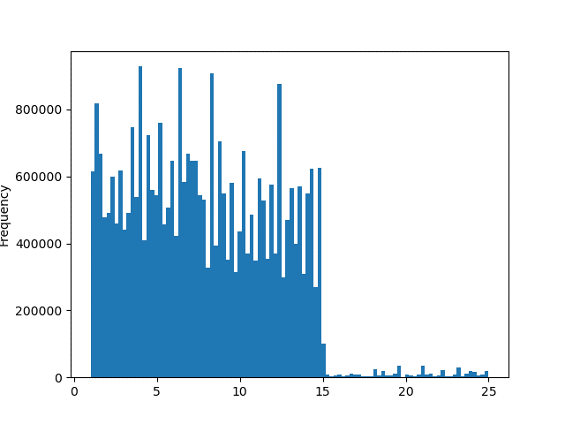
Product Price Distribution
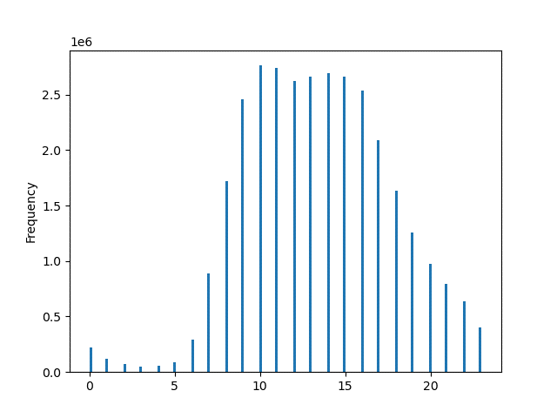

 | COMMENT: |  |  | COMMENT:
During 10am - 11am is the peak time when the orders are placed.
Most of the products preferred or purchased by customers have cost less than $15.

Hour of the Day

Relationship Between Orders day of Week and Average product Price
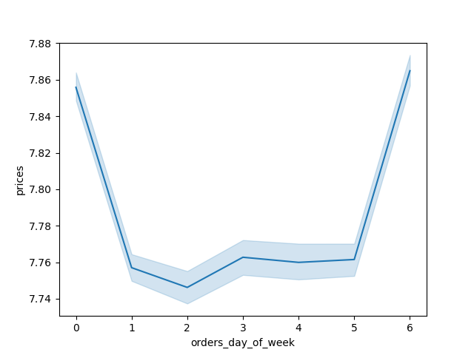

 |  | COMMENT:
 |  | As we can see there is a little difference in the product prices from day to day, the highest average is on Sunday and Saturday.

Relationship Between Age and Average Number of Dependents
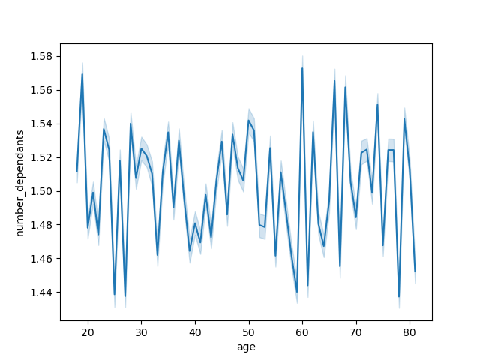

 |  | COMMENT:
 |  | There is no correlation between these variables.

Relationshio between Prices and Order hour of the day

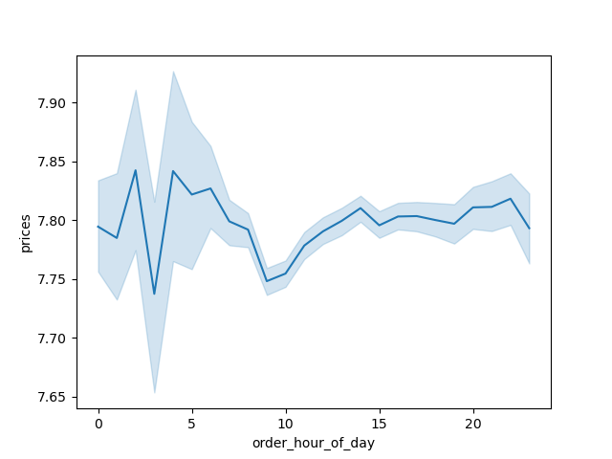

 |  | COMMENT:
 |  | While there isn't a strong correlation between price and time of day, this image shows the least expensive purchases occurring between 0am and 5am and 10am.

Distribution According to Customer Profile
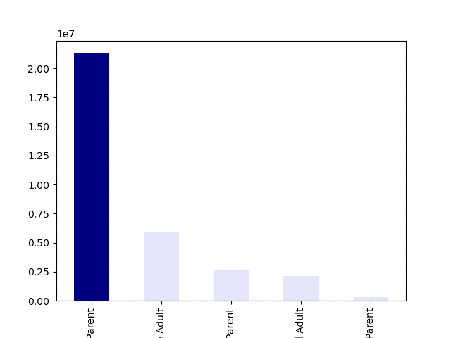

 |  | COMMENT:
 |  | According to this graph, the majority of clients are parents with a partner, followed by single adults, single parents, retired adults and new parents.
Frequency


Relationship Between Age and Income

 |  | COMMENT:
 |  | According to this graph there is no correlation between age and income. That being said, most clients make less than $200,000 USD.

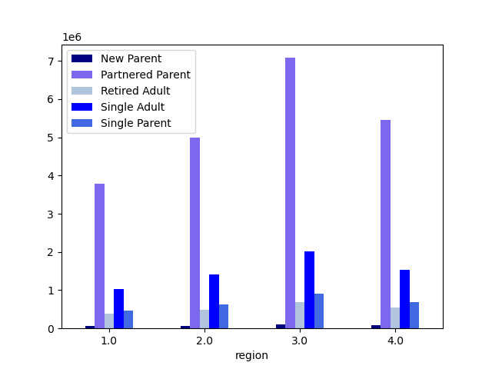
Customer Type Distribution by Region

Number of Orders
 |  | COMMENT:
 |  | Parents with a partner have the most purchases across all regions, followed by single adults, single parents, retired adults, and new parents, respectively. New parents are almost equally represented in all regions, however, region 3 has the most purchases compared to the others.

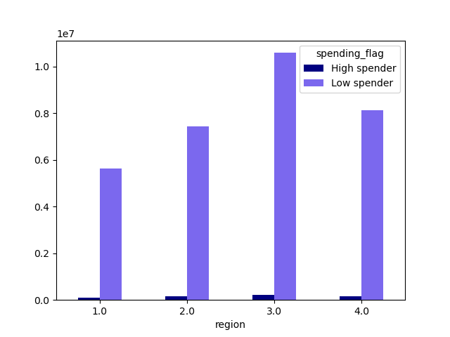
Regional Customer Spending Habits

 |  | COMMENT:
 |  | Region 3 has the most customers in the categories. Region 2 and Region 4 have similar spending habits. In the case of Region 1, it has the least number of customers in each metric.
Frequency

Customer Type Distribution by Department
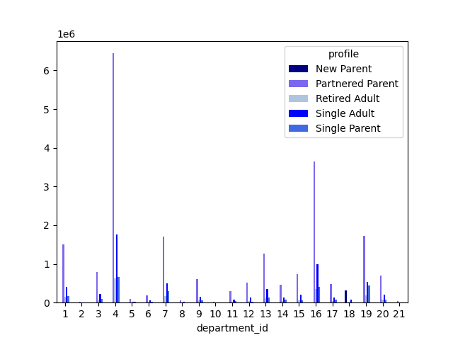

Number of Orders
 |  | COMMENT:
 |  | Most of the purchases are from parents related to produce, eggs and dairy products. Single and retired adults follow the same spending habits. Single parents also do the lion's share of grocery shopping by buying about equal amounts of snacks.

Region 2 Customer Type Distribution by Department
Region 1 Customer Type Distribution by Department
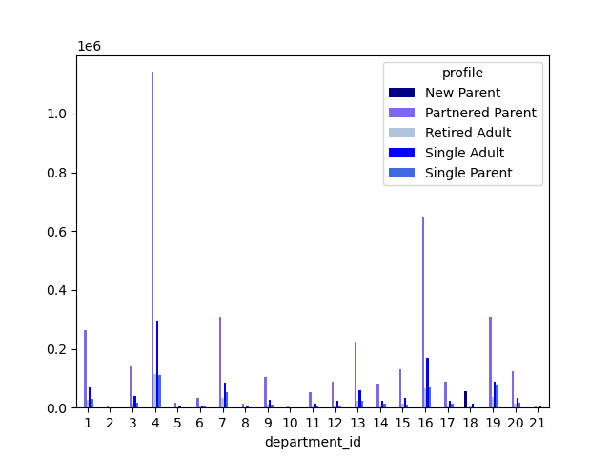


Number of Orders
Number of Orders

Region 4 Customer Type Distribution by Department
Region 3 Customer Type Distribution by Department

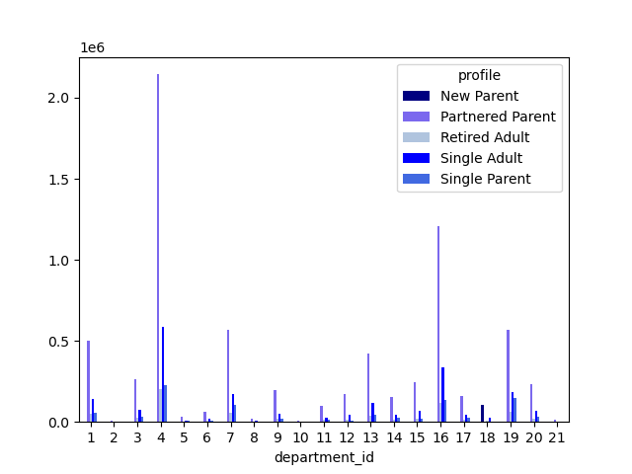


Number of Orders
Number of Orders

The trends by departments mentioned above are the same for each region and not much variation is appreciated. In addition, the partnered parents are the ones that present the most numbers of purchases made, regardless of the type of region.
COMMENT:

7. Recommendations
 | Title page

Recommendations

In this tab you should include any recommendations you would made to Instcart in terms of their marketing strategy based on the questions posed in the brief. Every key question has been covered in the Tasks of the Exercises - here you need to add an item - a visualisation or table/crosstable that is showing the answer in the data, acompanied by a comment from you. Please, list the questions below and add the answer underneath.

The sales team needs to know which are the busiest days of the week, that is, the days with the most orders, in order to make more announcements on the days with the least orders.

Recommendation:
The busiest day of the week is Saturday followed by Sunday, taking this data into account, more advertisements and marketing projects should be started for the days that are lower, such as Tuesdays and Wednesdays.

The sales group wants to know if there are specific times of the day when people spend more money, as this could serve as important information in decision making.

Recommendation:
Although there is no strong correlation between these two variables, price and time of day, the graph shows the least expensive purchases that occur at 10 am, with this information actions such as discounts at a certain time of day could be created.

What is the distribution among customers regarding their brand loyalty?
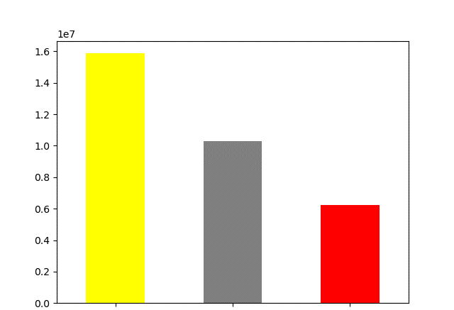

Recommendation:
The distribution of users is as follows, regular customers have the highest frequency of orders, than loyal customers and new customers. It should be said that new customers only present orders of less than 10. Therefore, incentives or the option of reordering more frequent products should be made for loyal customers and new customers, so that this result changes.

Frequency

Regular Customer
Loyal Customer
New Customer

What different classifications does the demographic information suggest? Age? Income? Family status?

Recommendation:
In this case, new parents and retired adults are the customers who buy the least, so one option could be the possibility of delivery, and thus be able to make it easier for them to make purchases, in addition to some discounts or exchange or bonus points.

Partmered Parent
Single Adult
Single Parent
Retired Adult
New Parent

Are there certain types of products that are more popular than others? The sales team is interested in knowing which department has the most product orders.

Recommendation:
Most purchases are from parent partners for produce, eggs, and dairy. Single and retired adults follow the same spending habits. Single parents also do most of their shopping for almost the same snack foods as dairy and eggs.

Is there a difference in ordering habits depending on the region of customers?

Recommendation:
The trends by departments mentioned above are the same for each region and not much variation is appreciated. The trends by departments mentioned above are the same for each region and not much variation is appreciated. However, decision-making regarding marketing in each region should not be left aside and effective actions should continue to be created to improve customer service.

